Metrics and Plots
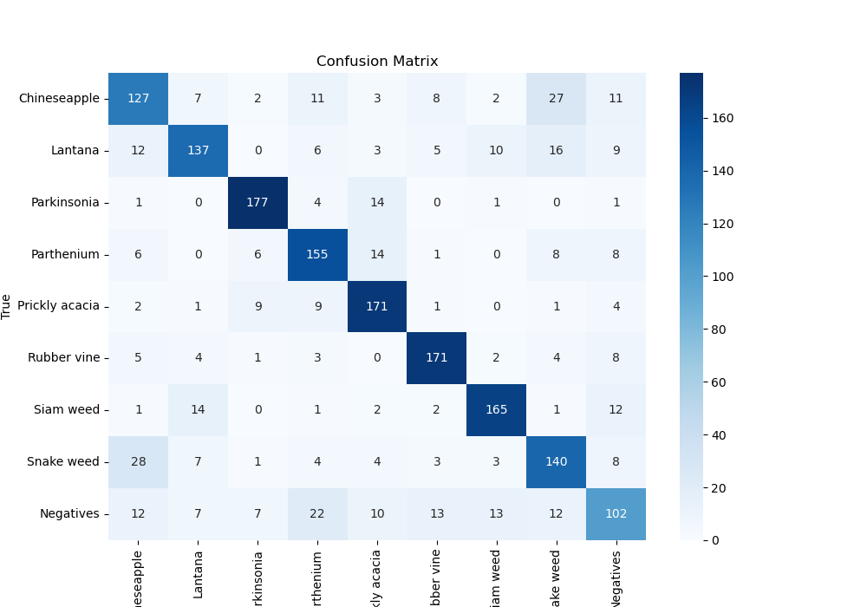
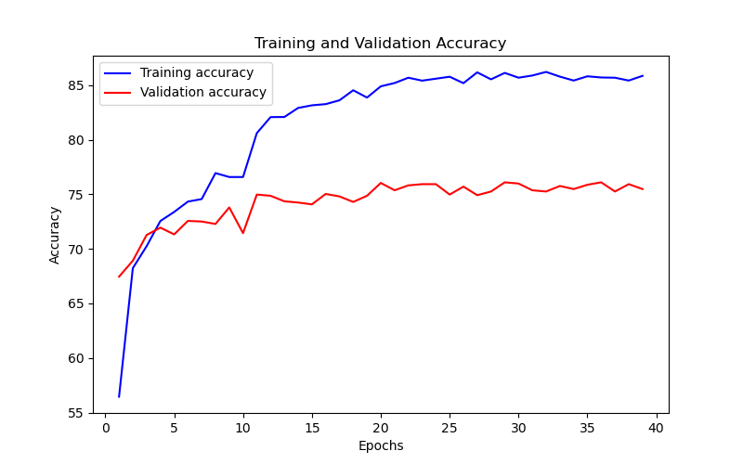
Epoch | Train Accuracy | Train Loss | Validation Accuracy | Validation Loss
1 | 56.45 | 1.245 | 67.452300786 | 1.002
2 | 68.23 | 0.926 | 68.911335578 | 0.932
3 | 70.24 | 0.894 | 71.268237935 | 0.908
4 | 72.55 | 0.828 | 71.941638608 | 0.9
5 | 73.38 | 0.792 | 71.324354658 | 0.894
6 | 74.33 | 0.776 | 72.558922559 | 0.905
7 | 74.56 | 0.761 | 72.502805836 | 0.874
8 | 76.94 | 0.708 | 72.278338945 | 0.971
9 | 76.58 | 0.713 | 73.79349046 | 0.928
10 | 76.58 | 0.724 | 71.436588103 | 1
11 | 80.6 | 0.589 | 74.971941639 | 0.887
12 | 82.07 | 0.541 | 74.859708193 | 0.881
13 | 82.08 | 0.536 | 74.354657688 | 0.903
14 | 82.91 | 0.512 | 74.242424242 | 0.883
15 | 83.15 | 0.48 | 74.074074074 | 0.866
16 | 83.26 | 0.484 | 75.028058361 | 0.852
17 | 83.61 | 0.485 | 74.80359147 | 0.849
18 | 84.53 | 0.462 | 74.298540965 | 0.852
19 | 83.86 | 0.465 | 74.859708193 | 0.843
20 | 84.89 | 0.435 | 76.038159371 | 0.844
21 | 85.19 | 0.437 | 75.364758698 | 0.828
22 | 85.68 | 0.421 | 75.81369248 | 0.837
23 | 85.41 | 0.441 | 75.925925926 | 0.835
24 | 85.59 | 0.424 | 75.925925926 | 0.844
25 | 85.77 | 0.407 | 74.971941639 | 0.825
26 | 85.18 | 0.429 | 75.701459035 | 0.817
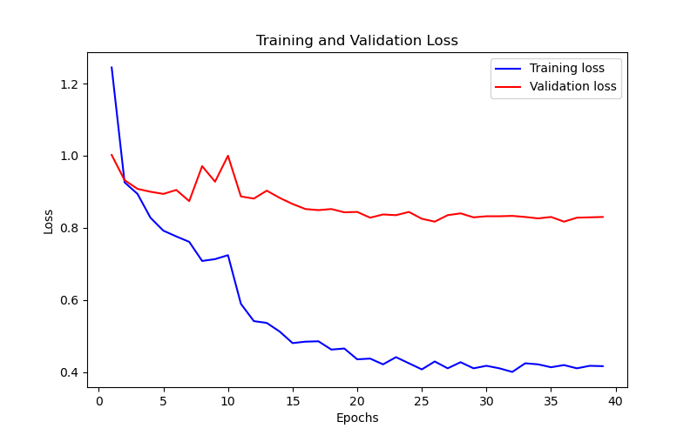
27 | 86.17 | 0.41 | 74.915824916 | 0.835
28 | 85.53 | 0.427 | 75.252525253 | 0.84
29 | 86.12 | 0.41 | 76.094276094 | 0.829
30 | 85.68 | 0.417 | 75.982042649 | 0.832
31 | 85.88 | 0.41 | 75.364758698 | 0.832
32 | 86.21 | 0.4 | 75.252525253 | 0.833
33 | 85.78 | 0.424 | 75.757575758 | 0.83
34 | 85.42 | 0.421 | 75.476992144 | 0.826
35 | 85.81 | 0.413 | 75.869809203 | 0.83
36 | 85.7 | 0.419 | 76.094276094 | 0.817
37 | 85.68 | 0.41 | 75.252525253 | 0.828
38 | 85.42 | 0.417 | 75.925925926 | 0.829
39 | 85.85 | 0.416 | 75.476992144 | 0.83

